Dose 300 mgm-3
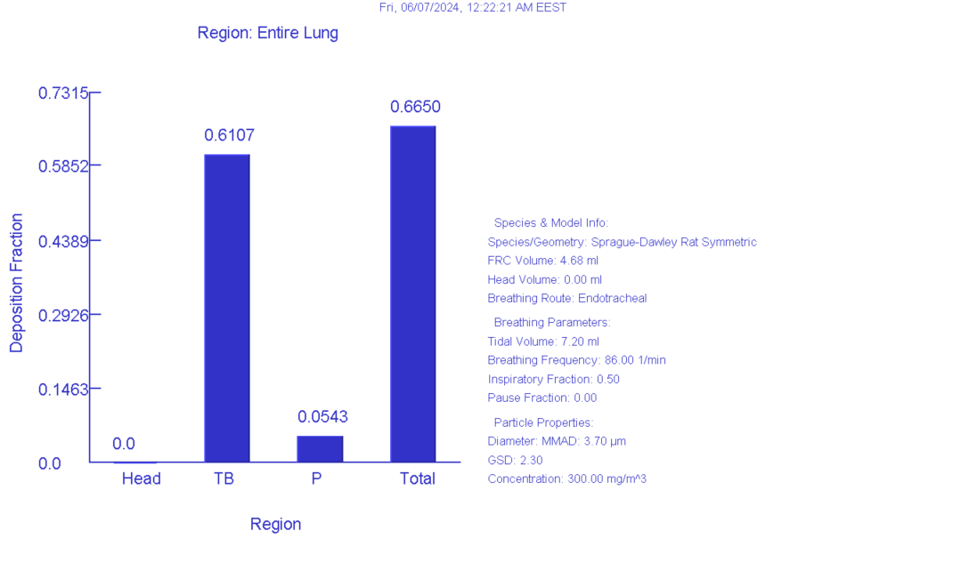
weight | 0.5125 | kg
density | 1 | g/cm^3
Aspect ratio | 1 | spherical
Diameter | 3.7 | μm
MMAD
GSD (diam) | 2.3
GSD (length) | 1
Correlation | 0
Diff.Diameter | 1
Sed. Diameter | 1
Imp.Diameter | 1
Int.Diameter | 1

Constant exposure
Acceleration of gravity | 981 | cm/s^2
on stomach
aerosol concentration | 300 | mg/m^3
BF male | 86 | 1/min
TV male | 7.2 | mL
Inspiratory fraction | 0.5
Pause fraction | 0
Nose only exposure

